1. Title Page
Basket Analysis

Project Name: Instacart Basket Analysis
Date: 25 November 2024
Analyst Name: Deepa Sury

Contents:
Population Flow
Consistency checks
Wrangling steps
Column derivations
Visualizations
Recommendations

“The Instacart Online Grocery Shopping Dataset 2017”, Accessed from www.instacart.com/datasets/grocery-shopping-2017 via Kaggle on 25 November, 2024.

2. Population Flow
Title page

Population flow

Exclusion flag
Condition: max_order < 5
Obervations to be removed: 1440045
Final total count of order_products_all: 30959687

Orders_products_combined
Orders_products_merged
Orders_products_all

Total: 32399732
Total: 32434489
Total: 32399732

1.) The grey boxes in the first row of the population flow represent the original data sets as they were when you downloaded them. In the Total fields you need to add the count of the rows when you imported the data set into Jupyter.
2.) The second row of boxes (coloured) represents the data sets after you manipulated them, e.g., removed missing values and duplicates. In the Total fields you need to add the count of the rows after conducting these operations. This offers a visual oveview of how the data flows throughout the data consistency checks.
3.) The third row, where also the arrows are coloured, represents the merges you performed between the datasets. In the Total fields you need to add the count of the rows in the merged datasets, so that you end up with the final dataset (in the red box). Keep in mind the final dataset should be without exclusions (based on the exclusion flag).

3. Consistency checks
 |  |  |  | Title page
Consistency checks

Dataset | Missing values | Missing values treatment | Duplicates
orders | 206209 | kept these values, as they were in the days_since_prior_order column, indicating the first order of a customer | 0
products | 16 | dropped missing values | 5
orders_products_prior | 0 |  | 0
customers | 0 |  | 0
orders_products_merged | 5127 outliers in 'prices' converted to NaN | dropped missing values

4. Wrangling steps
 |  |  |  | Title page
Wrangling steps

Columns dropped | Columns renamed | Columns' type changed | Comment/Reason
df_ords 'eval_set' |  |  | unnecessary
 | df_ords 'order_dow' to df_ords 'orders_day_of_week' |  | consistent naming
Unnamed: 0 |  |  | this column often appeared in imported .csv files and was not necessary
 | df_customers 'First Name' to 'first_name' |  | consistent formatting and capitalization
 | df_customers 'Surnam' to 'surname' |  | spelling and consistent capitalization
 | df_customers 'Gender' to 'gender' |  | consistent capitalization
 | df_customers 'STATE' to 'state' |  | consistent capitalization
 | df_customers 'Age' to 'age' |  | consistent capitalization
 | df_customers 'n_dependants' to 'number_of_dependents' |  | spelling and consistent formatting
 |  | df_customers 'first_name' | column contained mixed data types, changed all to string
ords_prods_customers 'eval_set', 'Unnamed: 0', 'match', '_merge' |  |  | unnecessary columns leftover from importing and merging previous datasets

5. Column derivations
 |  |  |  |  | Title page

Column derivations and aggregations

Dataset | New column | Column/s it was derived from | Conditions | Value Frequencies
orders_products_merge | price_range_loc | prices | 'applies label 'Low-range Product' if prices<=5; 'Mid-range Product' if prices > 5 and <=15; and 'High range' for all remaining prices values | Mid-range product 21860860 Low-range product 10126321 High-range product 412551
 | busiest_day | orders_day_of_week | based on value counts of orders_day_of_week column; rows where the value is 0 = 'Busiest Day', rows where the value is 4 = 'Least Busy' and the remaining rows = 'Regularly Busy' | Regularly busy 22413231 Busiest day 6203329 Least busy 3783172
 | busiest_period_of_day | order_hour_of_day | based on value counts of order_hour_of_day column; rows where the value is between 10 and 15 = 'Most orders', rows where the value is between 0 and 5 = 'Fewest orders', all other rows = 'Average orders' | Most orders 16126147 Average orders 15677356 Fewest orders 596229
 | max_order | user_id, order_number | aggregates maximum order_number value for each distinct user_id
 | loyalty_flag | max_order | assigns loyalty flag based on value of max_order; value over 40 = 'Loyal customer', value from 10 to 40 = 'Regular customer', value under 10 = 'New customer' | Regular customer 15874128 Loyal customer 10282763 New customer 6242841
 | avg_prod_price | prices, user_id | groups data by user_id and aggregates the mean prices value for each user
 | spending_flag | avg_prod_price | assigns the flag 'High spender' to rows where the avg_prod_price >=10 and 'Low spender' to all remaining rows | Low spender 31770614 High spender 629118
 | avg_days_since_prior_order | user_id, days_since_prior_order | groups data by user_id and aggregates the mean value of days_since_prior_order for each user
 | orderfreq_flag | avg_days_since_prior_order | assigns flag based on value of avg_days_since_prior_order column; rows with values > 20 = 'Non-frequent customer', rows with values <= 10 = 'Frequent customer', all other rows = 'Regular customer' | Frequent customer 21556716 Regular customer 7207207 Non-frequent customer 3635804
ords_prods_customers | region | state | assigns region labels ('Midwest', 'Northeast', 'South', 'West') based on value of state | South 10309442 West 7926057 Midwest 7260306 Northeast 5463882
 | low_activity_excl_flag | max_order | assigns exclusion flag to rows where max_order < 5 | Keep 30959687 Exclude 1440045
 | age_group | age | If age<25, then young_adult. If age>=25 or <40, then adult. If age>=40 or <65, then mature_adult. If age >= 65, then senior. | mature_adult 12101980 senior 8194267 adult 7248839 young_adult 3414601
 | income_level | income | if income < 50,000, then low_income. If income >= 50,000 or <100,000, then middle_income. If income >= 100,000, then high_income. | high_income 14809922 middle_income 13995727 low_income 3594083
 | no_dependents_flag | number_of_dependents | assigns flag to rows that meet the condition 'number_of_dependents' == 0 | False 23221179 True 7738508

6. Visualizations
 |  | Title page

Visualisations

In this tab you should include all the visualtions from Exercises 4.9 and 4.10, alongside the questions from the project brief that they answer. Include any commentary on the relationship between different variables.

Key Questions
What are the busiest hours of the day and days of the week for orders?

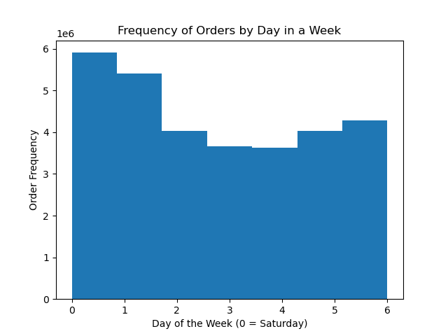


The busiest time of day for orders on Instacart is during the daytime, particularly between 10:00 AM and 4:00 PM. Weekends are when the most orders are placed overall, with Saturday and Sunday being the busiest days.
These patterns can be observed across all customer profile groups.

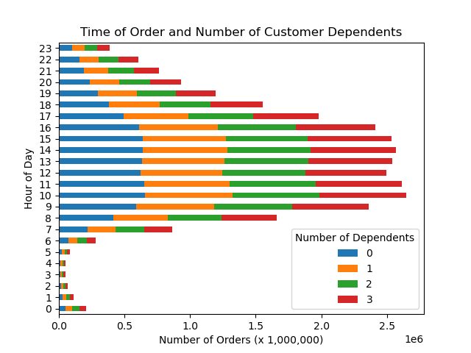
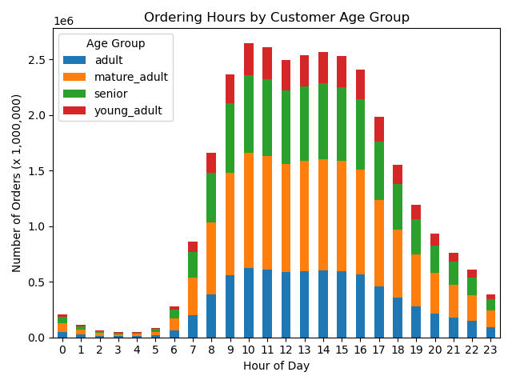
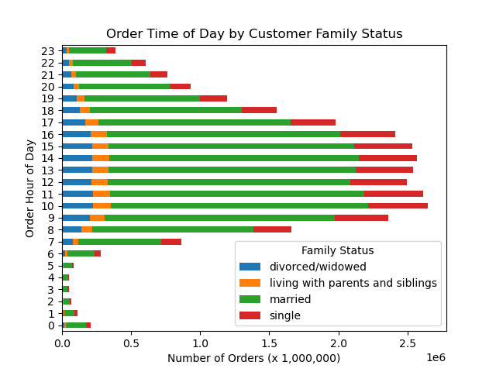
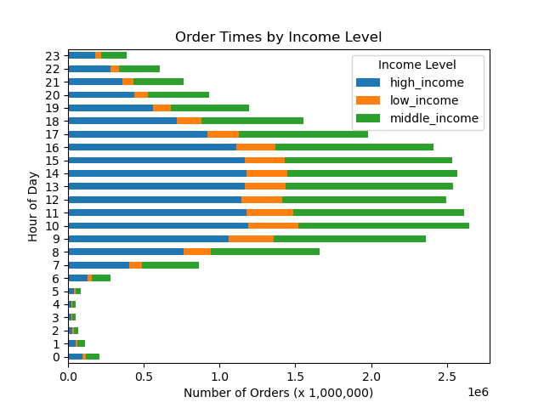

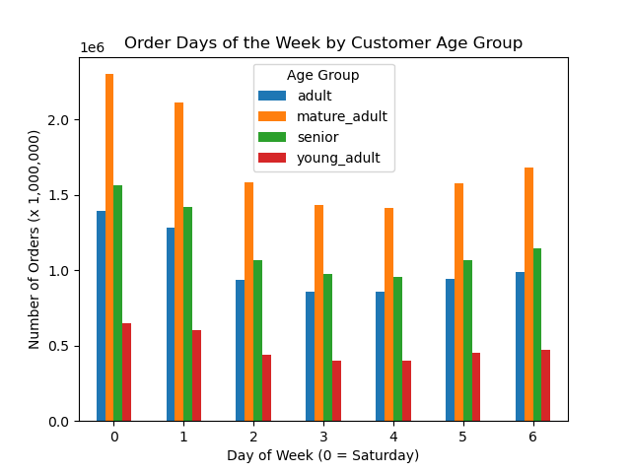
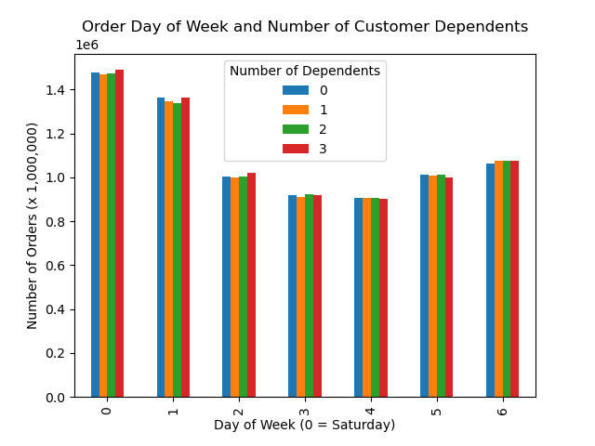
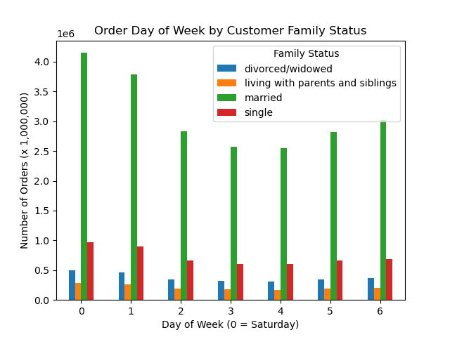
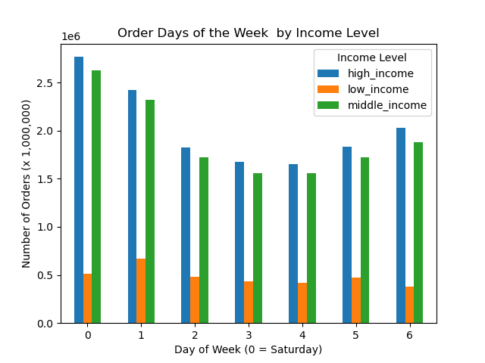

Are there any specific times during the day when customers spend the most money?

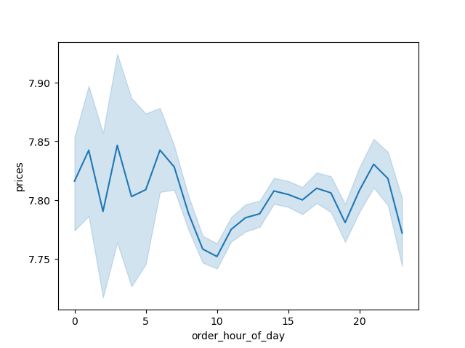

Customers overall tend to spend the most money in the evenings (after 8:00 PM) and during the night, between 12:00 and 6:00 AM. There is also the greatest variation in the amount spent during this latter period of time.

What are the most popular departments for products in Instacart?
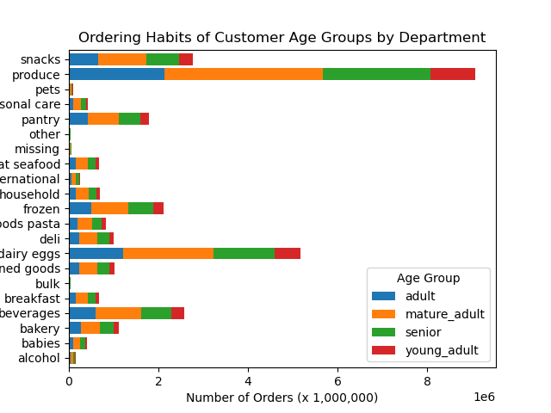
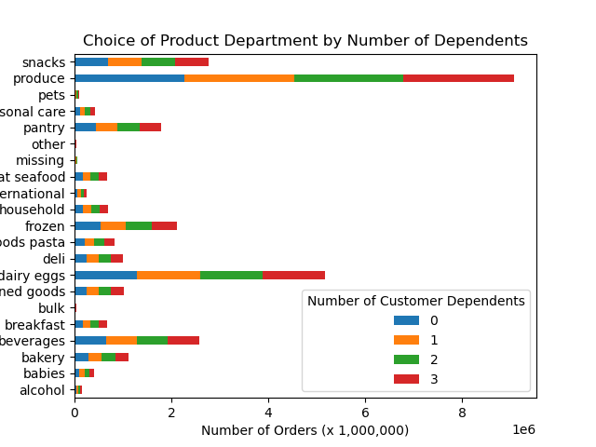
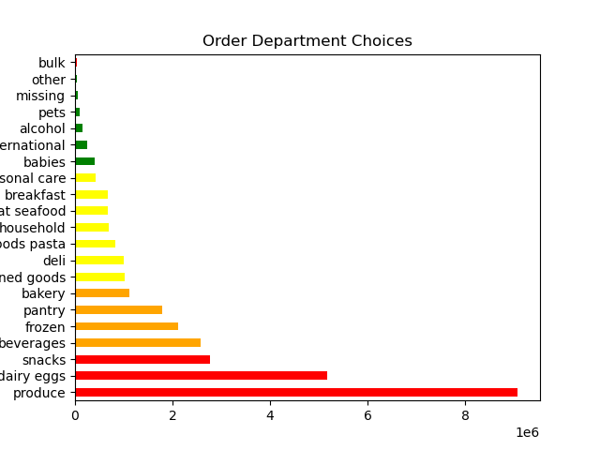

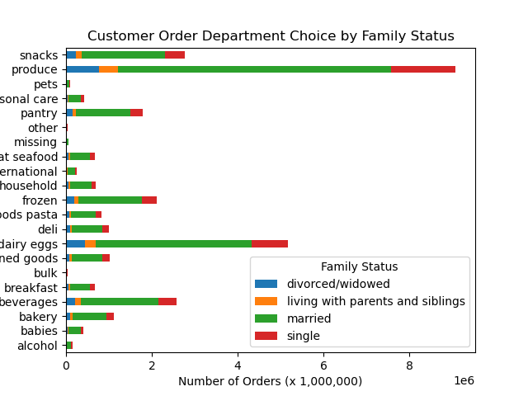
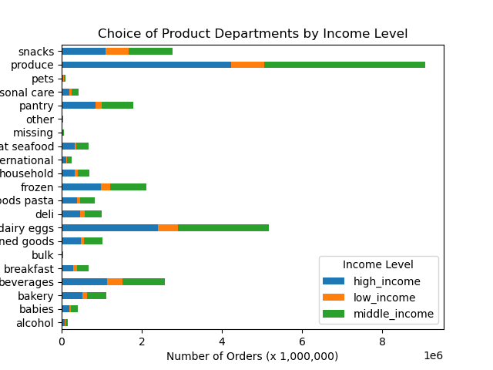

The most popular department choices for Instacart customers are Produce, Dairy/Eggs, Snacks and Beverages.
Food products are overall the most commonly-ordered items across all customer profiles.

What is the distribution of customers by brand loyalty?
In this chart, Loyal customers are those who have placed over 40 orders with Instacart. New customers are those who have placed fewer than 10 orders. Regular customers have placed between 10 and 40 orders.

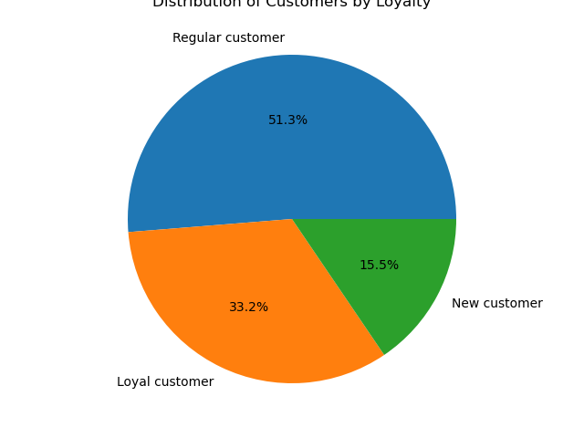

How do the order habits of customers differ based on their brand loyalty?

Department Choices

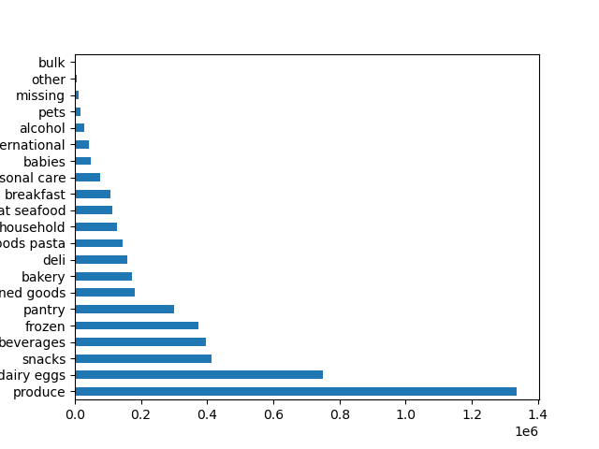
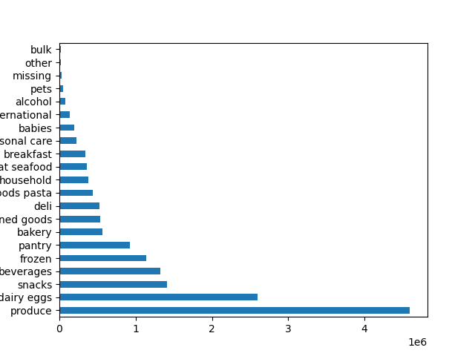
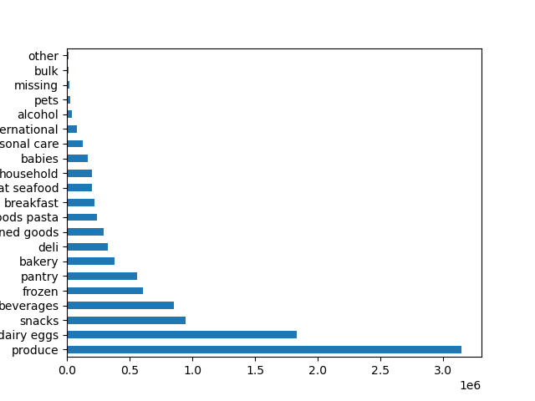

New Customers | Regular Customers | Loyal Customers

Choices of departments are largely similar across customer loyalty levels. Produce, Dairy/Eggs, Snacks, Beverages, Frozen and Pantry comprise the top departments for all three loyalty levels.
Loyal customers are slightly more likely to order from the Bulk, Babies and Breakfast departments compared to regular or new customers.
Regular and loyal customers are slightly more likely to order from the Bakery department, while new customers are more likely to order from the Canned Goods department.

Time and Day of Orders

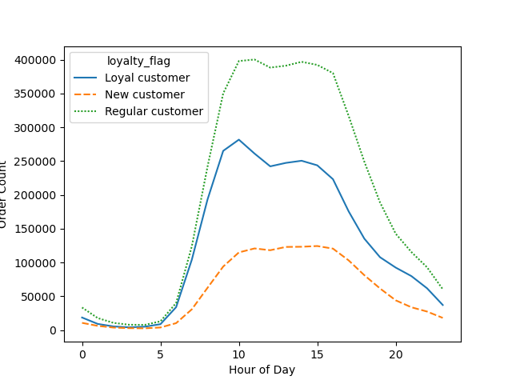
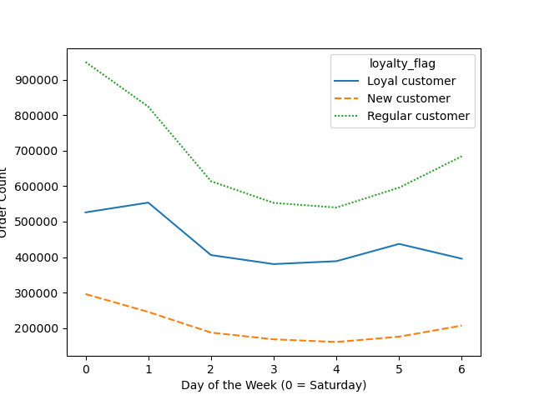

Once again, all three loyalty groups follow the same general pattern in order hours and days. However, there are some minor differences to be noted.
Loyal customers experience a slightly sharper drop in orders around 10:00 AM compared to regular customers, while new customer orders slightly increase at the same point in time.
All three loyalty groups have the most similar numbers of orders in the early morning hours, before 5:00 AM.
During the week, loyal customers place the most orders on Sundays, while regular and new customers place the most orders on Saturdays.
The number of orders by new and regular customers increases between Thursday and Friday, while orders by loyal customers decrease slightly.

Daily and Weekly Expenditure

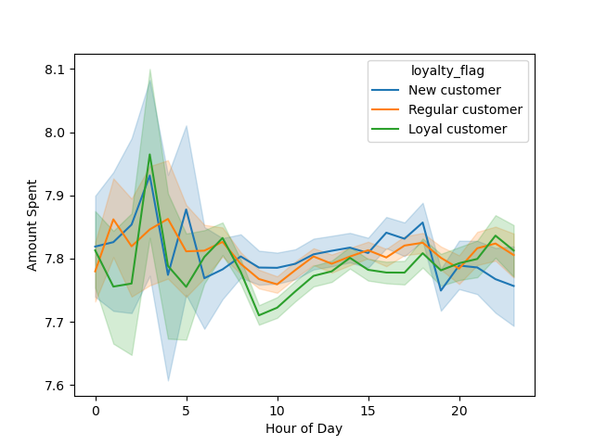
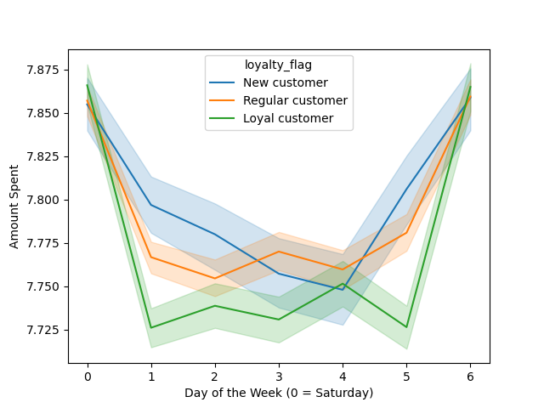

Regular customers experience the least dramatic variations in their hourly expenditure. Loyal and new customers spend the most at around 3:00 AM while regular customers spend the most around an hour later. After 8:00 PM, new customer expenditure decreases, while regular and loyal customer expenditure increases slightly.
Loyal customers spend the least amount at around 9:00 AM, regular customers around 10:00 AM and new customers around 7:00 PM.
All three loyalty group spending peaks during the weekend (Saturdays and Sundays). However, on Sundays and on Thursdays, new and regular customer spending significantly overtakes that of loyal customers. New customer expenditure is lowest on Wednesdays and that of regular customers is on Mondays.

Are there differences in ordering habits based on a customer's region?

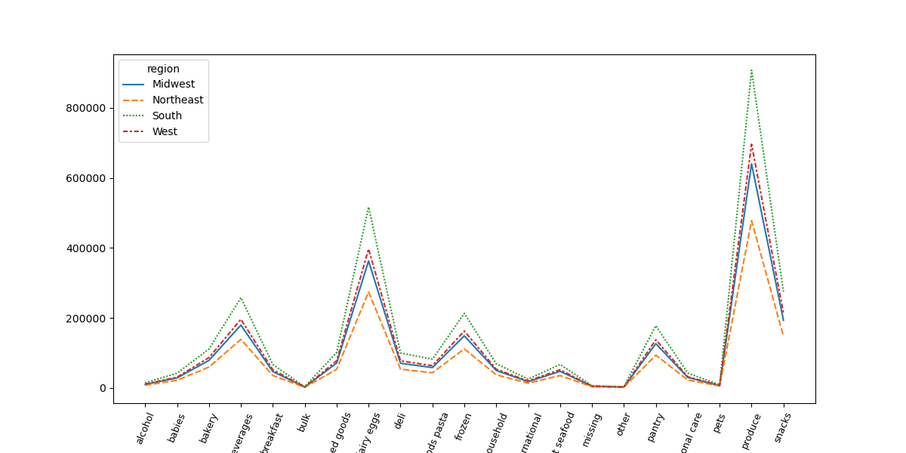
Department Choices

All regions follow a similar pattern regarding the popularity of departments. Each region's proportion of the total customer base is reflected on this chart.
Produce, Dairy/Eggs, Beverages, Frozen and Pantry are the most popular departments across all regions.
Due to the large proportion of customers, the South has the highest number of orders for all departments.

Time and Day of Orders

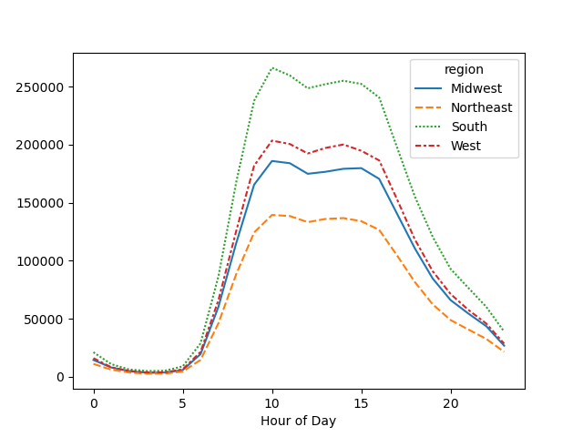
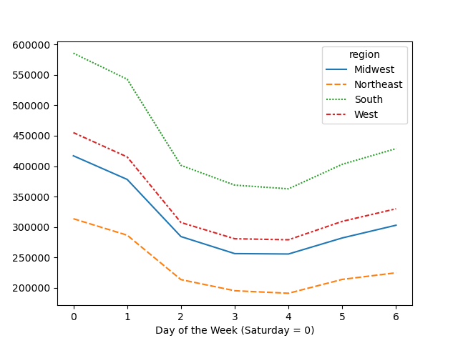

As with the choice of departments, the pattern of order time and day remains highly consistent across all regions.
The difference in the amount of orders taking place between regions is the most pronounced at peak ordering hours, with the South having the highest number of orders. During the least busy hours, the numbers of orders for each region are closest to each other.
Similar to the pattern of orders during the day, all four regions follow the same pattern with the number of orders by day throughout the week.
All regions have the highest number of orders on Saturdays and Sundays before order numbers drop off during the week and begin to increase again on Wednesday.

Amount spent Daily and Weekly

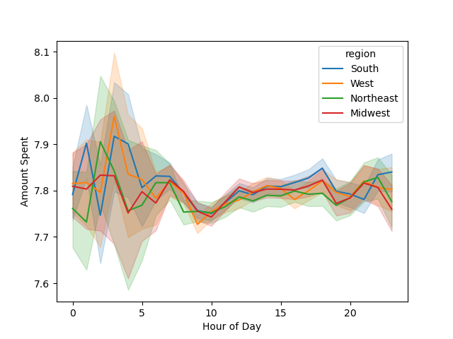
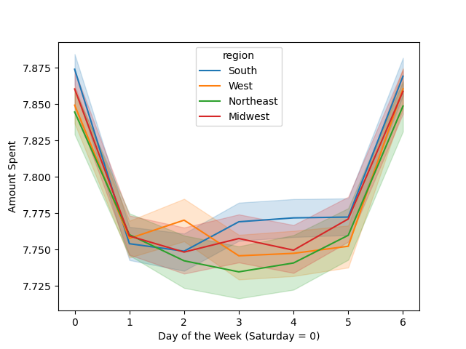

The West has the highest spending level out of all regions at around 3:00 AM. The Northeast has the lowest level at around 1:00 AM.
During the day, the greatest variation in expenditure takes place before 5:00 AM across all regions.
Spending in the Northeast and Midwest regions peaks at around 2:00 AM, while spending in the West and South peak at around 3:00 AM.
Between 10:00 AM and 4:00 PM, spending levels are at their most uniform across regions.
During the week, spending is highest in all regions on Saturdays. Between Thursday and Sunday, spending levels of each region are the most similar.
Outside of weekends, spending peaks slightly in the West on Mondays and in the South and Midwest on Tuesdays. The Northeast region does not experience any significant peak in expenditure outside of weekends.

Age and Ordering Habits

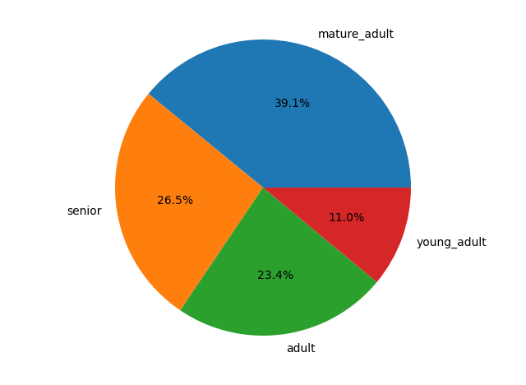

Distribution of age-groups among customers.
Mature adults (between 40 and 64 years) are the largest group of customers. Seniors (65 years and older) and adults (25 to 39 years) follow at almost equal proportions. Young adults (under 25 years) make up the smallest age-group among Instacart customers.

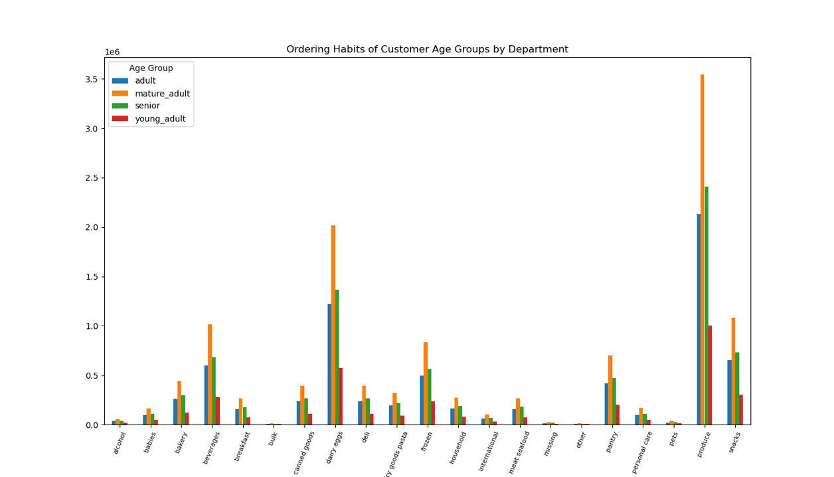

The choice of departments in orders follows a similar pattern across all age groups.
Produce, Dairy/Eggs, Beverages, Snacks, Frozen and Pantry are the most popular departments for all customers.
Mature adults place the highest number of orders across all departments, as they make up the largest customer age group.
Adults appear to order slightly more from the Alcohol department than Seniors. Otherwise, the proportions of age groups ordering from each department are reflective of the age-group distribution across all customers.

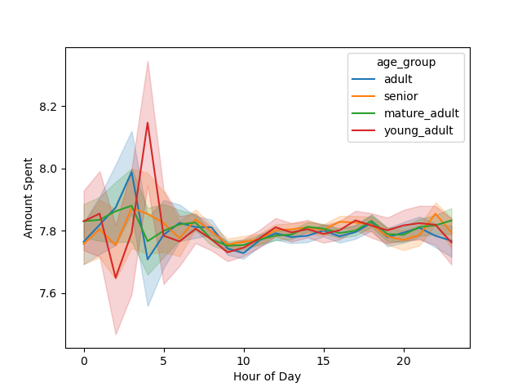
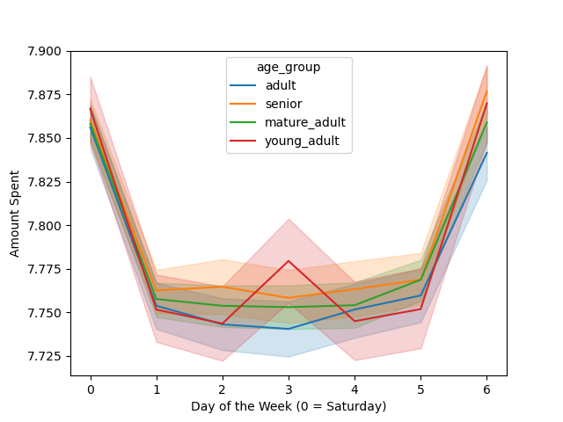

The amount spent by customers during each hour of the day and each day of the week follows the same overall trends seen across the customer base. Expenditure varies the most during the early morning hours, with both the highest and lowest levels showing between midnight and 5:00 AM. During the week, customers spend the most money on Fridays and Saturdays and significantly less during the rest of the week.
Young adults spend the highest amount out of all age groups during the day at around 4:00 AM. Adults spend the most money an hour earlier. Seniors and Mature Adults show the lowest levels of fluctuation in their hourly spending.
Spending is most consistent at the most similar levels between Thursdays and Sundays. Spending remains relatively low outside of these days. Tuesdays are the one day when Young Adults spend more than any other age group.

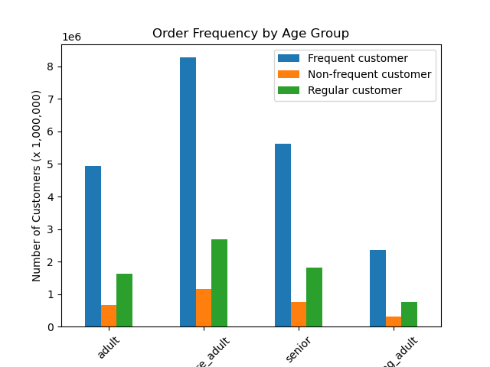

Order frequency among customers reflects the same distribution across all age groups. Frequent customers (10 or fewer days between orders) comprise the largest portion of customers by far. Non-frequent customers (more than 20 days between orders) make up the smallest portion of customers across age groups.
When comparing age groups and order frequency, mature adults who order frequently make up the largest number of customers.

Family Status and Ordering Habits

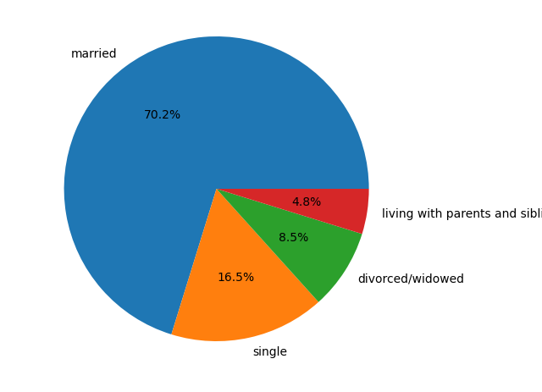

Distribution of family status among customers.
Married customers make up the majority of all customers at over 70%. The next most common family status is single, followed by divorced/widowed.
Customers living with parents and siblings are the least common, comprising only 4.8% of all customers.

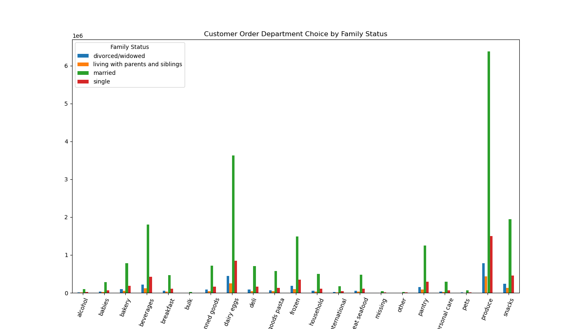

Once again, we see the same patterns of department popularity as we did with the overall customer base. Since Married customers represent the majority, their order numbers show as the highest ones out of all family status groups.
The smallest number of customers are listed as Living with Parents and Siblings, followed by those listed as Divorced/Widowed. These proportions are reflected in the number of orders in all departments.

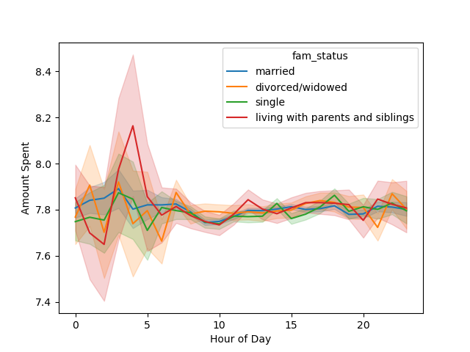
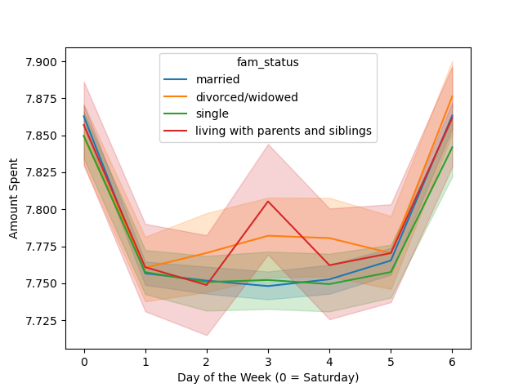

As with other customer profile variables, we can see the greatest variation in the amount spent during the early morning hours. Spending for all family status groups peaks between approximately 3:00 and 5:00 AM, with customers living with parents and siblings spending the highest amounts at that time. From approximately 7:00 AM until 8:00 PM, spending levels remain relatively consistent and uniform across family status groups, though customers living with parents and siblings spend slightly more than others at around 12:00 PM.
Fridays and Saturdays show the highest level of spending across all family status groups. During the rest of the week, spending remains relatively low, however, there is a gradual increase in spending among divorced/widowed customers, peaking on Tuesdays, as well as a sharper peak in spending among customers living with parents and siblings at the same point in the week.

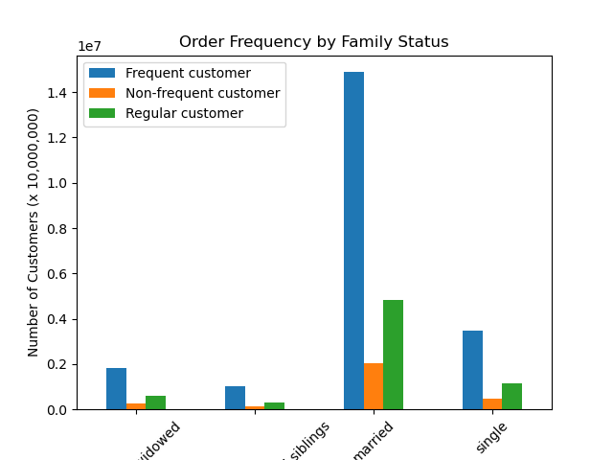

The proportion of frequent, non-frequent and regular customers is highly similar across all family statuses and is also consistent with the distribution of order frequency across all customers.
Frequent customers (those with 10 or fewer days between orders) comprise the largest portion of customers by far. Regular customers (those with 11-20 days between orders) make up less than half of that amount and non-frequent customers (those with over 20 days between orders) make up the smallest number of customers.
When comparing family status and order frequency, married customers who order frequently make up the largest group.

Other Demographic Factors that Influence Ordering Habits
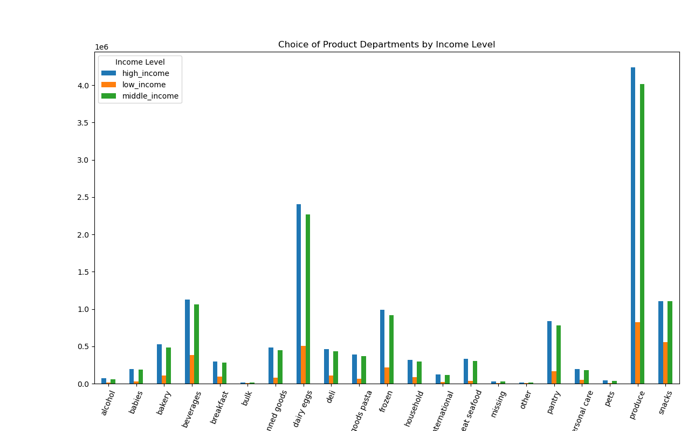

Income Level
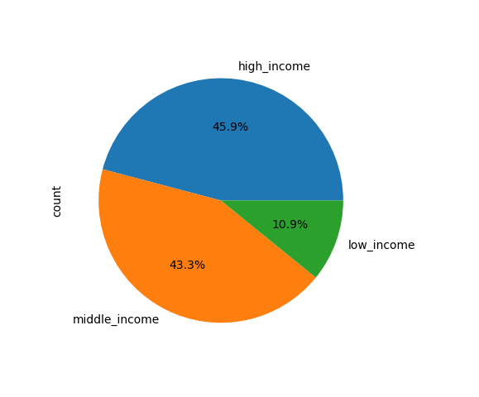

Customers have been assigned three different income levels, based on their incomes.
High-income customers earn 100,000 and over and make up the largest portion of the total customer base, closely followed by middle-income customers (earning between 50,000 and 99,999). Low-income customers (earning less than 50,000) make up the smallest portion of customers.
The most popular departments across all income levels are the same. The proportion of income levels in each department mostly reflects the overall distribution throughout the customer base, with high and medium-income customers representing the majority of orders. The number of orders from high-income customers is slightly higher than those from middle-income customers, except for the Snacks department where the two income-levels appear to have equal numbers of orders.

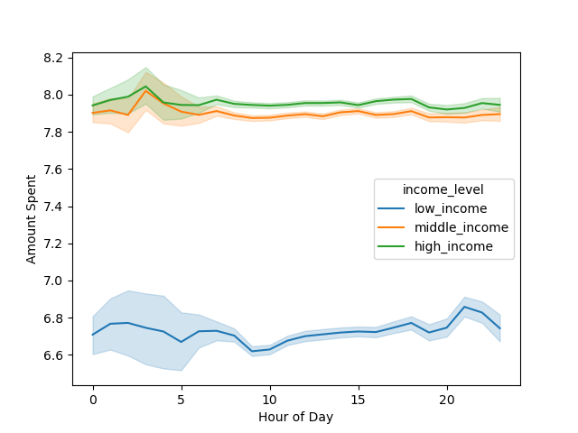
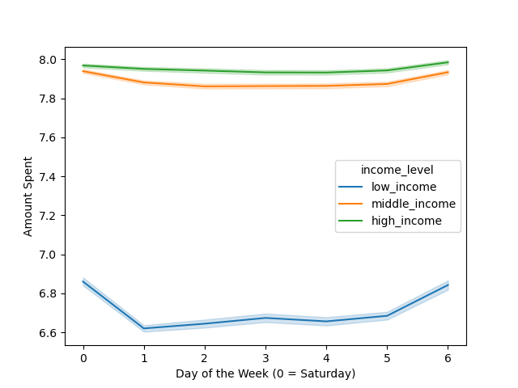

Spending patterns throughout the day and week reflect some general trends. The greatest amount of variation in expenditure takes place in the early morning hours, between midnight and approximately 6:00 AM. High and middle-income customers spend the most money during this period. Low-income customers, however, spend the most shortly after 8:00 PM.
During the week, spending remains relatively consistent among high-income customers, with only a slight decrease between Tuesdays and Thursdays. The spending patterns of middle and low-income customers are more reflective of the general customer base, with spending peaking on Fridays and Saturdays and remaining relatively low during the rest of the week. Low-income customers show the most pronounced changes in their spending over the week compared to other income levels.

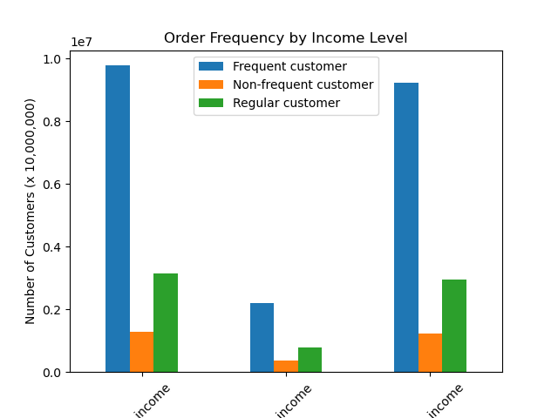

The proportion of frequent, non-frequent and regular customers remains mostly consistent across income levels and is reflective of their proportions within the overall customer-base. Frequent customers make up the majority within all income levels, with regular and non-frequent customers being much less common.

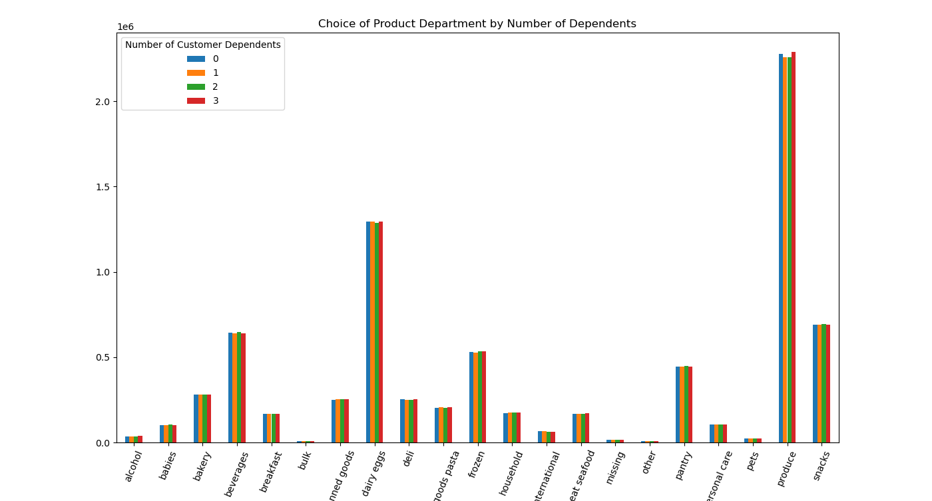

Number of Dependents

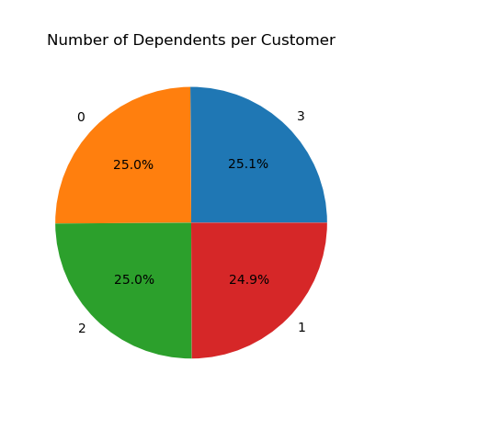

This chart shows us the proportion of customers with 0, 1, 2 and 3 dependents.
We can see that these groups are almost equal. However, customers with 3 dependents outnumber others very slightly, while the number of customers with 1 dependent is slightly lower than the others.

Though the proportions of customers with 0, 1, 2 and 3 dependents are almost equal, there are some variations in the departments they choose to order from. For example, customers with 2 dependents ordered more from Babies, Beverages, Pantry and Snacks departments than other customers. Customers with 0 and 3 dependents ordered the most from the Produce department.
Overall, the distribution of customers by number of dependents in each category is not always reflective of their distribution overall.

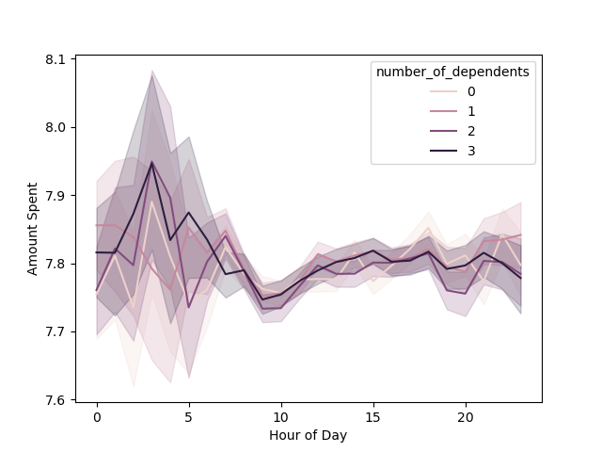
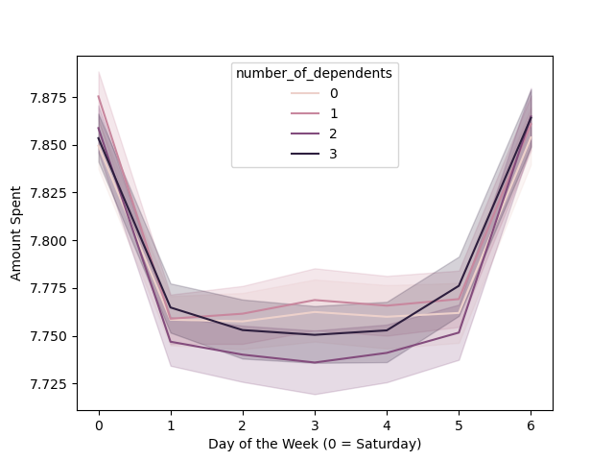

Spending throughout the day varies the most for customers without dependents, with their amount spent peaking at various points during the day. The more dependents a customer has, the more stable their hourly expenditure appears to be.
Expenditure over the week reflects broader trends across the customer base, with the highest amounts spent on Fridays and Saturdays and spending remaining relatively low during the rest of the week.
Customers with 2 dependents spend the least from Sunday to Thursday, while those with 0 and 1 dependent slightly increase their spending on Tuesdays.

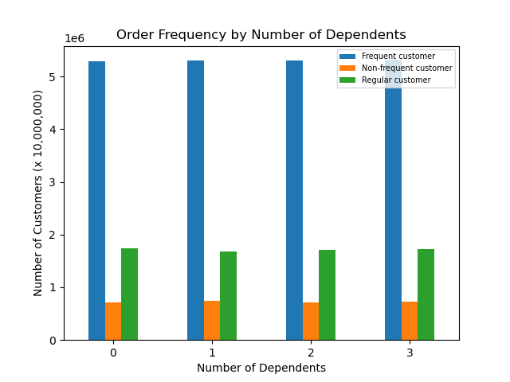

Because proportions of customers with 0, 1, 2 and 3 dependents are almost equal, this chart reflects the overall distribution of order frequency across customers, with frequent customers making up the majority and infrequent customers comprising the smallest portion.
Comparing number of dependents with order frequency, the largest group of customers consists of frequent customers (ordering 10 or fewer days apart) with 3 dependents each.

7. Recommendations
 |  |  |  | Title page

Recommendations

In this tab you should include any recommendations you would made to Instcart in terms of their marketing strategy based on the questions posed in the brief. Every key question has been covered in the Tasks of the Exercises - here you need to add an item - a visualisation or table/crosstable that is showing the answer in the data, acompanied by a comment from you. Please, list the questions below and add the answer underneath.

Question | Answer
● The sales team needs to know what the busiest days of the week and hours of the day are (i.e., the days and times with the most orders) in order to schedule ads at times when there are fewer orders. | The busiest time of day for orders on Instacart is during the daytime, particularly between 10:00 AM and 4:00 PM. Weekends are when the most orders are placed overall, with Saturday and Sunday being the busiest days. These ordering patterns can be observed across all customer profiles (age-groups, income-levels and family situations)
● They also want to know whether there are particular times of the day when people spend the most money, as this might inform the type of products they advertise at these times. | Customers overall tend to spend the most money in the evenings (after 8:00 PM) and during the night, between 12:00 and 6:00 AM. There is also the greatest variation in the amount spent during this latter period of time. One possible suggestion would be to promote higher-end products during these hours.
● Instacart has a lot of products with different price tags. Marketing and sales want to use simpler price range groupings to help direct their efforts. | We can sort the prices into three categories: Low-range products (price equal or less than 5), mid-range products (price between 5 and 15) and high-range products (price 15 or higher). The majority of products offered by Instacart fall within the mid-range category, while high-range products make up the smallest number (only 1.3%) | 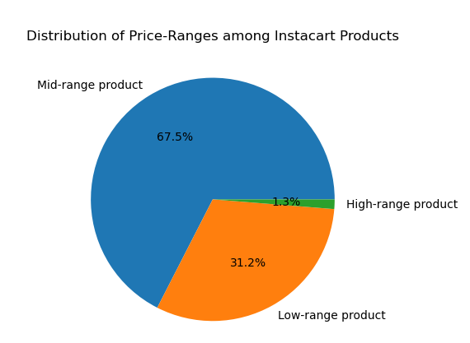
● Are there certain types of products that are more popular than others? The marketing and sales teams want to know which departments have the highest frequency of product orders. | The most popular departments among all customers across all customer profiles are Produce, Dairy/Eggs, Snacks, Beverages, Frozen, Pantry and Bakery.
● The marketing and sales teams are particularly interested in the different types of customers in their system and how their ordering behaviors differ. For example: ○ What’s the distribution among users in regards to their brand loyalty (i.e., how often do they return to Instacart)? ○ Are there differences in ordering habits based on a customer’s loyalty status? | (see Visuals sheet for accompanying visuals) Customer loyalty labels were assigned as follows: Loyal customers (over 40 orders placed), Regular customers (between 10 and 40 orders) and New customers (under 10 orders). Regular customers make up the largest share at 51.3% of total customers. Choices of departments are largely similar across customer loyalty levels. Produce, Dairy/Eggs, Snacks, Beverages, Frozen and Pantry comprise the top departments for all three loyalty levels. Loyal customers are slightly more likely to order from the Bulk, Babies and Breakfast departments compared to regular or new customers. Regular and loyal customers are slightly more likely to order from the Bakery department, while new customers are more likely to order from the Canned Goods department. All three loyalty groups follow the same general pattern in order hours and days. However, there are some minor differences to be noted. Loyal customers experience a slightly sharper drop in orders around 10:00 AM compared to regular customers, while new customer orders slightly increase at the same point in time. All three loyalty groups have the most similar numbers of orders in the early morning hours, before 5:00 AM. During the week, loyal customers place the most orders on Sundays, while regular and new customers place the most orders on Saturdays. The number of orders by new and regular customers increases between Thursday and Friday, while orders by loyal customers decrease slightly. Regular customers experience the least dramatic variations in their hourly expenditure. Loyal and new customers spend the most at around 3:00 AM while regular customers spend the most around an hour later. After 8:00 PM, new customer expenditure decreases, while regular and loyal customer expenditure increases slightly. Loyal customers spend the least amount at around 9:00 AM, regular customers around 10:00 AM and new customers around 7:00 PM. All three loyalty groups' spending peaks during
○ Are there differences in ordering habits based on a customer’s region? | (see Visuals sheet for accompanying visuals) Regions were assigned based on US Census Bureau classifications. The South has the largest number of customers, with one third of the total customer base. All regions follow a similar pattern regarding the popularity of departments. Each region's proportion of the total customer base is reflected on this chart. Produce, Dairy/Eggs, Beverages, Frozen and Pantry are the most popular departments across all regions. Due to the large proportion of customers, the South has the highest number of orders for all departments. As with the choice of departments, the pattern of order time and day remains highly consistent across all regions. The difference in the amount of orders taking place between regions is the most pronounced at peak ordering hours, with the South having the highest number of orders. During the least busy hours, the numbers of orders for each region are closest to each other. Similar to the pattern of orders during the day, all four regions follow the same pattern with the number of orders by day throughout the week. All regions have the highest number of orders on Saturdays and Sundays before order numbers drop off during the week and begin to increase again on Wednesday. The West has the highest spending level out of all regions at around 3:00 AM. The Northeast has the lowest level at around 1:00 AM. During the day, the greatest variation in expenditure takes place before 5:00 AM across all regions. Spending in the Northeast and Midwest regions peaks at around 2:00 AM, while spending in the West and South peak at around 3:00 AM. Between 10:00 AM and 4:00 PM, spending levels are at their most uniform across regions. During the week, spending is highest in all regions on Saturdays. Between Thursday and Sunday, spending levels of each region are the most similar. Outside of weekends, spending peaks slightly in the West on Mondays and in the South and Midwest on Tuesdays. The Northeast region
○ Is there a connection between age and family status in terms of ordering habits? | For visuals and explanations on how age and family status individually affect ordering habits, see Visuals sheet. The most common family status among customers is Married and the most common age-group is Mature Adult. In this chart, we can see the distribution of family status within each age group. The largest number of young adults live with their parents and/or siblings, unlike other age groups where the largest number of each group are married. No other age groups contain significant numbers of customers living with parents and/or siblings. Divorced and widowed customers are found exclusively within mature adult and senior age-groups. Department choices appear to be similar across all age-groups and family statuses, mainly reflecting their proportions within the overall customer base. Young adults and customers living with parents and/or siblings both display similar patterns in their expenditure throughout the day and the week. Both of these groups spend the greatest as well as the most varying amounts in the early morning hours, as well as on Fridays, Saturdays and Wednesdays. Frequency of orders remains the same as for all customers, with the majority of customers across all groups ordering frequently and regularly. Married, mature adults make up a large and stable portion of the customer base. However, it is also worth reaching out to younger adults, particularly those between 25 and 39 years old (under the Adult category), as this group is more likely to have higher spending-power compared to customers under 25 years of age. | 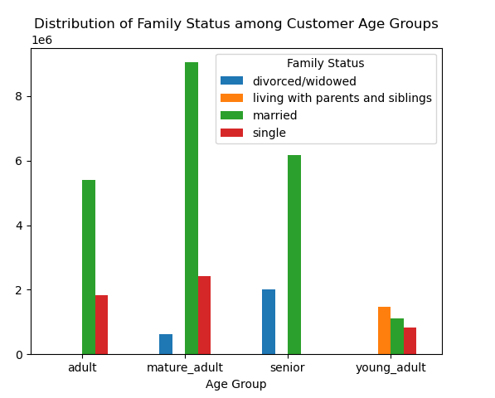 | 
○ What different classiﬁcations does the demographic information suggest? Age? Income? Certain types of goods? Family status? ○ What differences can you ﬁnd in ordering habits of different customer proﬁles? Consider the price of orders, the frequency of orders, the products customers are ordering, and anything else you can think of. | I examined the ordering habits of customers grouped by four different profiling variables: Age group, income level, family status and number of dependents. For visuals and detailed explanations of ordering habits for these profile groups, see the Visuals sheet. It is worth noting that across all of these customer profile groups, department choices remain largely consistent, with produce, dairy/eggs, snacks and beverages being the top choices. The ordering frequency is also distributed similary across groups, with each group containing a majority of frequent and regular customers. Perhaps further analysis will reveal the way in which these groups' ordering habits differ (e.g. comparing specific brands or price ranges chosen, or examining recurring changes in customer order frequency)

